Instructions
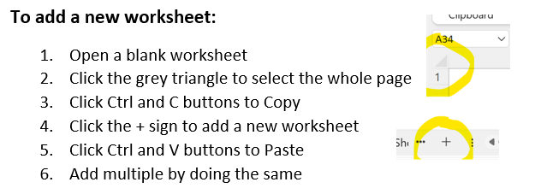
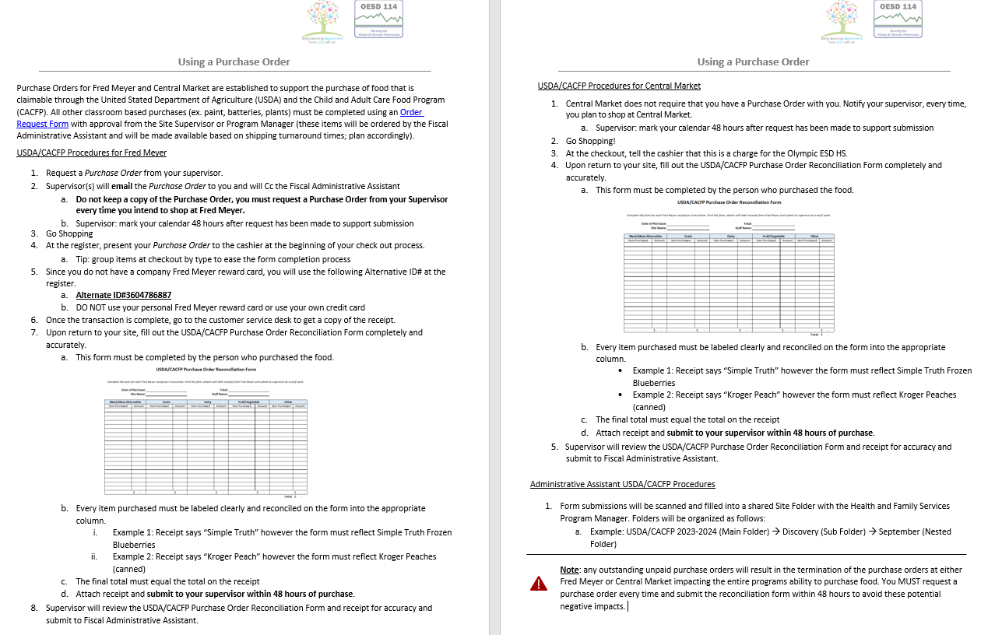

Tips and Tricks for Printing:
-Change Orientation from Portrait to "Landscape Orientation"
-Change Scaling to "Fit All Columns on One Page"

